Blad1
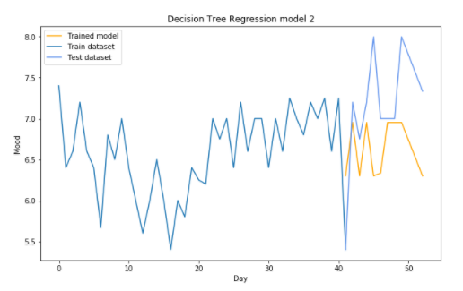
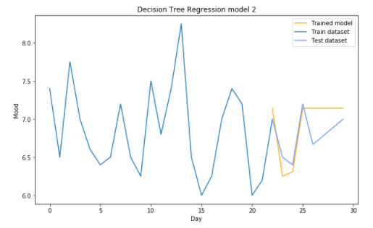
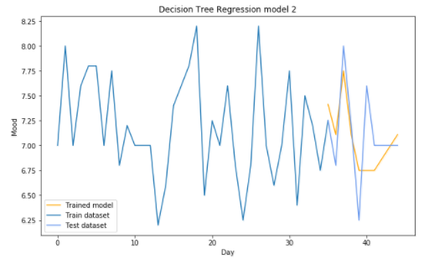
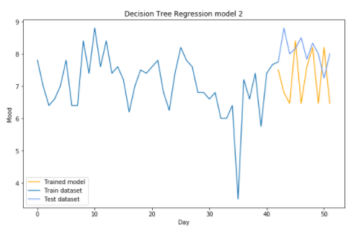
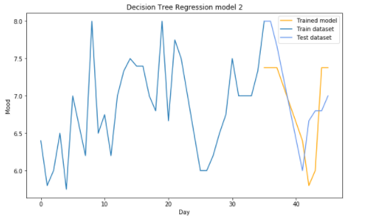
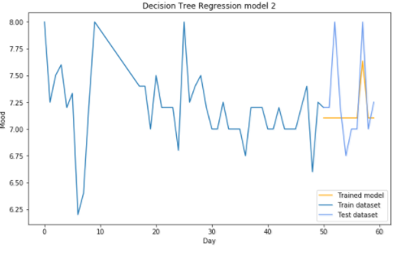
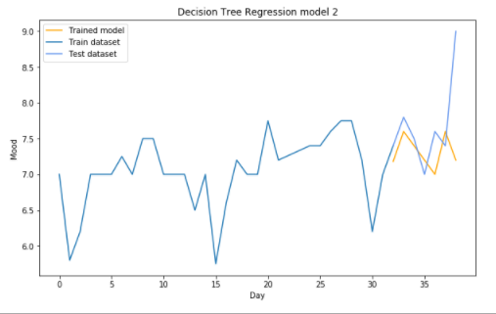
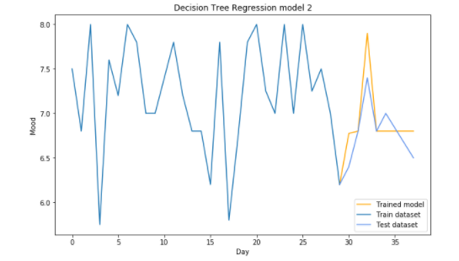
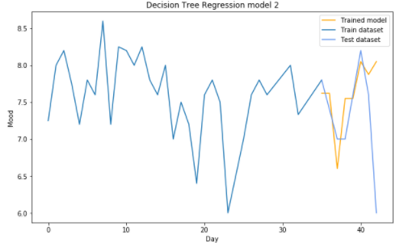
Patient nr 1 | Patient nr 2 | Patient nr: 3 | Patient nr: 4 | Patient nr: 5 | Patient nr: 6 | Patient nr: 7 | Patient nr: 8 | Patient nr: 9 | Patient nr: 10 | Patient nr: 11 | Patient nr: 12 | Patient nr: 13 | Patient nr: 14 | Patient nr: 15 | Patient nr: 16 | Patient nr: 17 | Patient nr: 18 | Patient nr: 19 | Patient nr: 20 | Patient nr: 21 | Patient nr: 22 | Patient nr: 23 | Patient nr: 24 | Patient nr: 25 | Patient nr: 26 | Patient nr: 27
Depth tree 3 | Depth tree 5 | Depth tree: 2 | Depth tree: 3 | Depth tree: 1 | Depth tree: 1 | Depth tree: 5 | Depth tree: 2 | Depth tree: 174 | Depth tree: 143 | Depth tree: 4 | Depth tree: 3 | Depth tree: 2 | Depth tree: 4 | Depth tree: 2 | Depth tree: 5 | Depth tree: 6 | Depth tree: 1 | Depth tree: 1 | Depth tree: 5 | Depth tree: 1 | Depth tree: 32 | Depth tree: 1 | Depth tree: 2 | Depth tree: 1 | Depth tree: 1 | Depth tree: 1
Nr of features: 5 | Nr of features: 5 | Nr of features: 5 | Nr of features: 5 | Nr of features: 5 | Nr of features: 5 | Nr of features: 5 | Nr of features: 5 | Nr of features: 5 | Nr of features: 5 | Nr of features: 5 | Nr of features: 5 | Nr of features: 5 | Nr of features: 5 | Nr of features: 5 | Nr of features: 5 | Nr of features: 5 | Nr of features: 5 | Nr of features: 5 | Nr of features: 5 | Nr of features: 5 | Nr of features: 5 | Nr of features: 5 | Nr of features: 5 | Nr of features: 5 | Nr of features: 5 | Nr of features: 5
Features used ['Valence', 'Office', 'Travel', 'Weather', 'Utilities'] | Features used ['Mood', 'Arousal', 'Screen', 'Communication', 'Screen (t-3)'] | Features used: ['Mood', 'Valence', 'Utilities', 'Valence (t-3)', 'Arousal (t-2)'] | Features used: ['Mood', 'SMS', 'Screen', 'Social', 'Activity (t-2)'] | Features used: ['Entertainment', 'Screen', 'Communication', 'Games', 'Office'] | Features used: ['Sleep', 'Entertainment', 'Arousal (t-3)', 'Screen (t-3)', 'Mood (t-3)'] | Features used: ['Arousal', 'Mood (t-1)', 'Office', 'Valence (t-1)', 'Arousal (t-3)'] | Features used: ['Games', 'Office', 'Activity (t-2)', 'Activity (t-1)', 'Screen (t-1)'] | Features used: ['Arousal', 'Screen', 'Finance', 'Mood (t-3)', 'Mood (t-2)'] | Features used: ['Screen (t-3)', 'Screen (t-1)', 'Screen', 'Mood', 'Sleep'] | Features used: ['Screen (t-2)', 'Screen (t-1)', 'Mood (t-2)', 'Mood (t-1)', 'Valence'] | Features used: ['Mood', 'Valence', 'Social', 'Valence (t-1)', 'Activity (t-3)'] | Features used: ['Calls', 'Weather', 'Utilities', 'Mood (t-1)', 'Mood (t-4)'] | Features used: ['Finance', 'Calls', 'Travel', 'Mood (t-2)', 'Screen (t-2)'] | Features used: ['Mood (t-1)', 'Sleep', 'Activity (t-1)', 'Screen (t-1)', 'Communication'] | Features used: ['Activity (t-3)', 'Mood (t-2)', 'SMS', 'Valence (t-2)', 'Travel'] | Features used: ['Valence', 'Screen', 'Office', 'Mood', 'Arousal (t-1)'] | Features used: ['Mood', 'Calls', 'Entertainment', 'Mood (t-1)', 'Screen (t-1)'] | Features used: ['Valence (t-1)', 'Calls', 'Valence', 'SMS', 'Mood (t-3)'] | Features used: ['Travel', 'Mood (t-3)', 'Weather', 'Screen (t-2)', 'Sleep'] | Features used: ['Valence', 'Valence (t-1)', 'Arousal (t-1)', 'Arousal (t-3)', 'Activity (t-1)'] | Features used: ['Games', 'Arousal (t-1)', 'Utilities', 'Mood (t-2)', 'Sleep'] | Features used: ['Mood', 'Activity', 'Sleep', 'Arousal (t-1)', 'Screen (t-2)'] | Features used: ['Valence', 'Activity (t-3)', 'Arousal (t-1)', 'Finance', 'Activity (t-1)'] | Features used: ['Travel', 'Finance', 'Communication', 'Mood (t-4)', 'Activity (t-1)'] | Features used: ['Utilities', 'Activity (t-2)', 'Screen (t-2)', 'Arousal', 'Calls'] | Features used: ['Screen', 'Communication', 'Valence (t-3)', 'Mood (t-3)', 'SMS']
Model: 1 | Model: 1 | Model: 1 | Model: 1 | Model: 1 | Model: 1 | Model: 1 | Model: 1 | Model: 1 | Model: 1 | Model: 1 | Model: 1 | Model: 1 | Model: 1 | Model: 1 | Model: 1 | Model: 1 | Model: 1 | Model: 1 | Model: 1 | Model: 1 | Model: 1 | Model: 1 | Model: 1 | Model: 1 | Model: 1 | Model: 1
Mean MSE: 0.00365242346939 | Mean: 0.20144593254 | Mean MSE: 0.0403511589821 | Mean MSE: 0.112934027778 | Mean MSE: 0.20045832306 | Mean MSE: 1.18102015623 | Mean MSE: 0.407940972222 | Mean MSE: 0.186875 | Mean MSE: 0.378085714286 | Mean MSE: 1.29561975309 | Mean MSE: 0.152067118607 | Mean MSE: 0.0862707525992 | Mean MSE: 0.206438779666 | Mean MSE: 0.0471754883428 | Mean MSE: 0.167233856578 | Mean MSE: 0.124675925926 | Mean MSE: 0.1019 | Mean MSE: 0.206771757984 | Mean MSE: 0.18154254907 | Mean MSE: 0.446559259259 | Mean MSE: 0.359365454436 | Mean MSE: 0.240214285714 | Mean MSE: 0.100490292536 | Mean MSE: 0.0218455755617 | Mean MSE: 0.0125931324911 | Mean MSE: 0.729098125377 | Mean MSE: 0.680664339265

Patient nr 1 | Patient nr 2 | Patient nr: 3 | Patient nr: 4 | Patient nr: 5 | Patient nr: 6 | Patient nr: 7 | Patient nr: 8 | Patient nr: 9 | Patient nr: 10 | Patient nr: 11 | Patient nr: 12 | Patient nr: 13 | Patient nr: 14 | Patient nr: 15 | Patient nr: 16 | Patient nr: 17 | Patient nr: 18 | Patient nr: 19 | Patient nr: 20 | Patient nr: 21 | Patient nr: 22 | Patient nr: 23 | Patient nr: 24 | Patient nr: 25 | Patient nr: 26 | Patient nr: 27
Depth tree 3 | Depth tree 5 | Depth tree: 2 | Depth tree: 5 | Depth tree: 1 | Depth tree: 1 | Depth tree: 6 | Depth tree: 1 | Depth tree: 1 | Depth tree: 192 | Depth tree: 4 | Depth tree: 3 | Depth tree: 2 | Depth tree: 8 | Depth tree: 6 | Depth tree: 2 | Depth tree: 2 | Depth tree: 4 | Depth tree: 1 | Depth tree: 2 | Depth tree: 4 | Depth tree: 5 | Depth tree: 1 | Depth tree: 3 | Depth tree: 1 | Depth tree: 1 | Depth tree: 2
Nr of features: 4 | Nr of features: 4 | Nr of features: 4 | Nr of features: 4 | Nr of features: 4 | Nr of features: 4 | Nr of features: 4 | Nr of features: 4 | Nr of features: 4 | Nr of features: 4 | Nr of features: 4 | Nr of features: 4 | Nr of features: 4 | Nr of features: 4 | Nr of features: 4 | Nr of features: 4 | Nr of features: 4 | Nr of features: 4 | Nr of features: 4 | Nr of features: 4 | Nr of features: 4 | Nr of features: 4 | Nr of features: 4 | Nr of features: 4 | Nr of features: 4 | Nr of features: 4 | Nr of features: 4
Features used ['Valence', 'Office', 'Travel', 'Weather'] | Features used ['Arousal', 'Screen', 'Communication', 'Screen (t-3)'] | Features used: ['Valence', 'Utilities', 'Valence (t-3)', 'Arousal (t-2)'] | Features used: ['Mood', 'SMS', 'Screen', 'Social'] | Features used: ['Entertainment', 'Screen', 'Communication', 'Games'] | Features used: ['Sleep', 'Entertainment', 'Arousal (t-3)', 'Screen (t-3)'] | Features used: ['Arousal', 'Mood (t-1)', 'Office', 'Arousal (t-3)'] | Features used: ['Activity (t-2)', 'Mood (t-2)', 'Valence (t-2)', 'Entertainment'] | Features used: ['Arousal', 'Finance', 'Mood (t-3)', 'Mood (t-2)'] | Features used: ['Mood (t-1)', 'Screen', 'Mood', 'Sleep'] | Features used: ['Screen (t-2)', 'Screen (t-1)', 'Mood (t-1)', 'Valence'] | Features used: ['Valence', 'Mood', 'Social', 'Activity (t-3)'] | Features used: ['Weather', 'Utilities', 'Mood (t-1)', 'Mood (t-4)'] | Features used: ['Finance', 'Calls', 'Valence (t-2)', 'Arousal (t-1)'] | Features used: ['Mood (t-1)', 'Sleep', 'Activity (t-1)', 'Screen (t-1)'] | Features used: ['Activity (t-1)', 'Activity (t-2)', 'Social', 'Valence (t-2)'] | Features used: ['Mood', 'Social', 'Utilities', 'Arousal (t-1)'] | Features used: ['Mood (t-2)', 'Calls', 'Valence', 'Screen (t-1)'] | Features used: ['Valence (t-1)', 'Calls', 'Valence', 'SMS'] | Features used: ['Travel', 'Mood (t-3)', 'Weather', 'Screen (t-2)'] | Features used: ['Travel', 'Arousal', 'Arousal (t-3)', 'Valence'] | Features used: ['Games', 'Arousal (t-1)', 'Utilities', 'Screen (t-2)'] | Features used: ['Mood', 'Activity', 'Sleep', 'Arousal (t-1)'] | Features used: ['Valence', 'Activity (t-3)', 'Arousal (t-1)', 'Finance'] | Features used: ['Travel', 'Finance', 'Communication', 'Activity (t-1)'] | Features used: ['Utilities', 'Activity (t-2)', 'Screen (t-2)', 'Arousal'] | Features used: ['Valence (t-3)', 'Mood (t-3)', 'SMS', 'Mood']
Model: 1 | Model: 1 | Model: 1 | Model: 1 | Model: 1 | Model: 1 | Model: 1 | Model: 1 | Model: 1 | Model: 1 | Model: 1 | Model: 1 | Model: 1 | Model: 1 | Model: 1 | Model: 1 | Model: 1 | Model: 1 | Model: 1 | Model: 1 | Model: 1 | Model: 1 | Model: 1 | Model: 1 | Model: 1 | Model: 1 | Model: 1
Mean MSE: 0.00756944444444 | Mean: 0.20144593254 | Mean MSE: 0.0403511589821 | Mean MSE: 0.090621776406 | Mean MSE: 0.20045832306 | Mean MSE: 1.18102015623 | Mean MSE: 0.293034848485 | Mean MSE: 0.317062682216 | Mean MSE: 0.304268373672 | Mean MSE: 1.38242530864 | Mean MSE: 0.308194543651 | Mean MSE: 0.0862707525992 | Mean MSE: 0.206438779666 | Mean MSE: 0.0298784722222 | Mean MSE: 0.114817404514 | Mean MSE: 0.25887345679 | Mean MSE: 0.267717498764 | Mean MSE: 0.165247231867 | Mean MSE: 0.18154254907 | Mean MSE: 0.465331454767 | Mean MSE: 1.19771443149 | Mean MSE: 0.24219021164 | Mean MSE: 0.0647936817956 | Mean MSE: 0.0108076985677 | Mean MSE: 0.0125931324911 | Mean MSE: 0.804958847737 | Mean MSE: 0.0474698281516

Patient nr 1 | Patient nr 2 | Patient nr: 3 | Patient nr: 4 | Patient nr: 5 | Patient nr: 6 | Patient nr: 7 | Patient nr: 8 | Patient nr: 9 | Patient nr: 10 | Patient nr: 11 | Patient nr: 12 | Patient nr: 13 | Patient nr: 14 | Patient nr: 15 | Patient nr: 16 | Patient nr: 17 | Patient nr: 18 | Patient nr: 19 | Patient nr: 20 | Patient nr: 21 | Patient nr: 22 | Patient nr: 23 | Patient nr: 24 | Patient nr: 25 | Patient nr: 26 | Patient nr: 27
Depth tree 6 | Depth tree 4 | Depth tree: 3 | Depth tree: 4 | Depth tree: 1 | Depth tree: 3 | Depth tree: 6 | Depth tree: 1 | Depth tree: 2 | Depth tree: 8 | Depth tree: 4 | Depth tree: 3 | Depth tree: 101 | Depth tree: 1 | Depth tree: 1 | Depth tree: 2 | Depth tree: 2 | Depth tree: 1 | Depth tree: 3 | Depth tree: 2 | Depth tree: 4 | Depth tree: 5 | Depth tree: 1 | Depth tree: 6 | Depth tree: 1 | Depth tree: 1 | Depth tree: 4
Nr of features: 3 | Nr of features: 3 | Nr of features: 3 | Nr of features: 3 | Nr of features: 3 | Nr of features: 3 | Nr of features: 3 | Nr of features: 3 | Nr of features: 3 | Nr of features: 3 | Nr of features: 3 | Nr of features: 3 | Nr of features: 3 | Nr of features: 3 | Nr of features: 3 | Nr of features: 3 | Nr of features: 3 | Nr of features: 3 | Nr of features: 3 | Nr of features: 3 | Nr of features: 3 | Nr of features: 3 | Nr of features: 3 | Nr of features: 3 | Nr of features: 3 | Nr of features: 3 | Nr of features: 3
Features used ['Valence', 'Office', 'Weather'] | Features used ['Screen', 'Communication', 'Screen (t-3)'] | Features used: ['Valence', 'Valence (t-3)', 'Mood (t-4)'] | Features used: ['Mood', 'SMS', 'Screen'] | Features used: ['Entertainment', 'Screen', 'Communication'] | Features used: ['Sleep', 'Entertainment', 'Arousal (t-3)'] | Features used: ['Arousal', 'Mood (t-1)', 'Office'] | Features used: ['Activity (t-2)', 'Mood (t-2)', 'Valence (t-2)'] | Features used: ['Finance', 'Mood (t-3)', 'Mood (t-2)'] | Features used: ['Mood (t-1)', 'Screen', 'Sleep'] | Features used: ['Screen (t-2)', 'Mood (t-1)', 'Valence'] | Features used: ['Valence', 'Mood', 'Social'] | Features used: ['Finance', 'Mood', 'Mood (t-4)'] | Features used: ['Finance', 'Calls', 'Valence (t-2)'] | Features used: ['Mood (t-1)', 'Sleep', 'Activity (t-1)'] | Features used: ['Activity (t-1)', 'Activity (t-2)', 'Social'] | Features used: ['Mood', 'Social', 'Arousal (t-1)'] | Features used: ['Mood', 'Entertainment', 'Screen (t-1)'] | Features used: ['Valence (t-1)', 'Calls', 'Valence'] | Features used: ['Travel', 'Mood (t-3)', 'Weather'] | Features used: ['Travel', 'Arousal', 'Arousal (t-3)'] | Features used: ['Games', 'Arousal (t-1)', 'Utilities'] | Features used: ['Mood', 'Arousal (t-1)', 'Screen (t-2)'] | Features used: ['Valence', 'Activity (t-3)', 'Valence (t-3)'] | Features used: ['Activity (t-1)', 'Finance', 'Communication'] | Features used: ['Utilities', 'Activity (t-2)', 'Screen (t-2)'] | Features used: ['SMS', 'Mood (t-3)', 'Valence (t-3)']
Model: 1 | Model: 1 | Model: 1 | Model: 1 | Model: 1 | Model: 1 | Model: 1 | Model: 1 | Model: 1 | Model: 1 | Model: 1 | Model: 1 | Model: 1 | Model: 1 | Model: 1 | Model: 1 | Model: 1 | Model: 1 | Model: 1 | Model: 1 | Model: 1 | Model: 1 | Model: 1 | Model: 1 | Model: 1 | Model: 1 | Model: 1
Mean MSE: 0.00572955246914 | Mean: 0.246320324974 | Mean MSE: 0.0337134755863 | Mean MSE: 0.103601234568 | Mean MSE: 0.20045832306 | Mean MSE: 0.928143343032 | Mean MSE: 0.432934911616 | Mean MSE: 0.267671957672 | Mean MSE: 0.193035714286 | Mean MSE: 1.33922345679 | Mean MSE: 0.343688095238 | Mean MSE: 0.0347176275992 | Mean MSE: 0.2708 | Mean MSE: 0.0470985819351 | Mean MSE: 0.168779174885 | Mean MSE: 0.164949599877 | Mean MSE: 0.267717498764 | Mean MSE: 0.206771757984 | Mean MSE: 0.102453514739 | Mean MSE: 0.465331454767 | Mean MSE: 1.19771443149 | Mean MSE: 0.246304497354 | Mean MSE: 0.100490292536 | Mean MSE: 0.0433010416667 | Mean MSE: 0.0125931324911 | Mean MSE: 0.481217737986 | Mean MSE: 0.0984021577381

Patient nr 1 | Patient nr 2 | Patient nr: 3 | Patient nr: 4 | Patient nr: 5 | Patient nr: 6 | Patient nr: 7 | Patient nr: 8 | Patient nr: 9 | Patient nr: 10 | Patient nr: 11 | Patient nr: 12 | Patient nr: 13 | Patient nr: 14 | Patient nr: 15 | Patient nr: 16 | Patient nr: 17 | Patient nr: 18 | Patient nr: 19 | Patient nr: 20 | Patient nr: 21 | Patient nr: 22 | Patient nr: 23 | Patient nr: 24 | Patient nr: 25 | Patient nr: 26 | Patient nr: 27
Depth tree 3 | Depth tree 3 | Depth tree: 4 | Depth tree: 4 | Depth tree: 1 | Depth tree: 2 | Depth tree: 2 | Depth tree: 2 | Depth tree: 5 | Depth tree: 31 | Depth tree: 1 | Depth tree: 4 | Depth tree: 132 | Depth tree: 3 | Depth tree: 1 | Depth tree: 2 | Depth tree: 3 | Depth tree: 2 | Depth tree: 1 | Depth tree: 2 | Depth tree: 7 | Depth tree: 8 | Depth tree: 2 | Depth tree: 3 | Depth tree: 1 | Depth tree: 188 | Depth tree: 4
Nr of features: 2 | Nr of features: 2 | Nr of features: 2 | Nr of features: 2 | Nr of features: 2 | Nr of features: 2 | Nr of features: 2 | Nr of features: 2 | Nr of features: 2 | Nr of features: 2 | Nr of features: 2 | Nr of features: 2 | Nr of features: 2 | Nr of features: 2 | Nr of features: 2 | Nr of features: 2 | Nr of features: 2 | Nr of features: 2 | Nr of features: 2 | Nr of features: 2 | Nr of features: 2 | Nr of features: 2 | Nr of features: 2 | Nr of features: 2 | Nr of features: 2 | Nr of features: 2 | Nr of features: 2
Features used ['Valence', 'Weather'] | Features used ['Screen', 'Communication'] | Features used: ['Valence', 'Mood (t-4)'] | Features used: ['Mood', 'SMS'] | Features used: ['Entertainment', 'Screen'] | Features used: ['Sleep', 'Entertainment'] | Features used: ['Arousal (t-3)', 'Mood'] | Features used: ['Activity (t-2)', 'Screen (t-1)'] | Features used: ['Finance', 'Mood (t-2)'] | Features used: ['Mood (t-1)', 'Sleep'] | Features used: ['Mood (t-1)', 'Valence'] | Features used: ['Valence', 'Social'] | Features used: ['Mood', 'Mood (t-4)'] | Features used: ['Finance', 'Calls'] | Features used: ['Mood (t-1)', 'Sleep'] | Features used: ['Activity (t-1)', 'Activity (t-2)'] | Features used: ['Mood', 'Social'] | Features used: ['Mood', 'Entertainment'] | Features used: ['Valence (t-1)', 'Calls'] | Features used: ['Travel', 'Mood (t-3)'] | Features used: ['Travel', 'Arousal'] | Features used: ['Games', 'Arousal (t-1)'] | Features used: ['Mood', 'Arousal (t-1)'] | Features used: ['Valence', 'Activity (t-3)'] | Features used: ['Communication', 'Office'] | Features used: ['Mood', 'Calls'] | Features used: ['SMS', 'Mood (t-4)']
Model: 1 | Model: 1 | Model: 1 | Model: 1 | Model: 1 | Model: 1 | Model: 1 | Model: 1 | Model: 1 | Model: 1 | Model: 1 | Model: 1 | Model: 1 | Model: 1 | Model: 1 | Model: 1 | Model: 1 | Model: 1 | Model: 1 | Model: 1 | Model: 1 | Model: 1 | Model: 1 | Model: 1 | Model: 1 | Model: 1 | Model: 1
Mean MSE: 0.0113677842882 | Mean: 0.277208546903 | Mean MSE: 0.0323919753086 | Mean MSE: 0.0808055555556 | Mean MSE: 0.198661 | Mean MSE: 0.879825424383 | Mean MSE: 0.439093570502 | Mean MSE: 0.321872619048 | Mean MSE: 0.205119821024 | Mean MSE: 1.3810345679 | Mean MSE: 0.399920634921 | Mean MSE: 0.0201555555556 | Mean MSE: 0.270266666667 | Mean MSE: 0.0447518266566 | Mean MSE: 0.168779174885 | Mean MSE: 0.164949599877 | Mean MSE: 0.12252042503 | Mean MSE: 0.167157445511 | Mean MSE: 0.18154254907 | Mean MSE: 0.465331454767 | Mean MSE: 1.08375238095 | Mean MSE: 0.175794642857 | Mean MSE: 0.0634089859635 | Mean MSE: 0.012538262378 | Mean MSE: 0.0125931324911 | Mean MSE: 0.469178240741 | Mean MSE: 0.0605111111111

Patient nr 1 | Patient nr: 2 | Patient nr: 3 | Patient nr: 4 | Patient nr: 5 | Patient nr: 6 | Patient nr: 7 | Patient nr: 8 | Patient nr: 9 | Patient nr: 10 | Patient nr: 11 | Patient nr: 12 | Patient nr: 13 | Patient nr: 14 | Patient nr: 15 | Patient nr: 16 | Patient nr: 17 | Patient nr: 18 | Patient nr: 19 | Patient nr: 20 | Patient nr: 21 | Patient nr: 22 | Patient nr: 23 | Patient nr: 24 | Patient nr: 25 | Patient nr: 26 | Patient nr: 27
Depth tree 2 | Depth tree: 2 | Depth tree: 2 | Depth tree: 3 | Depth tree: 9 | Depth tree: 1 | Depth tree: 2 | Depth tree: 5 | Depth tree: 4 | Depth tree: 5 | Depth tree: 2 | Depth tree: 1 | Depth tree: 2 | Depth tree: 1 | Depth tree: 2 | Depth tree: 1 | Depth tree: 2 | Depth tree: 1 | Depth tree: 1 | Depth tree: 2 | Depth tree: 2 | Depth tree: 6 | Depth tree: 6 | Depth tree: 1 | Depth tree: 1 | Depth tree: 3 | Depth tree: 2
Nr of features: 1 | Nr of features: 1 | Nr of features: 1 | Nr of features: 1 | Nr of features: 1 | Nr of features: 1 | Nr of features: 2 | Nr of features: 1 | Nr of features: 1 | Nr of features: 1 | Nr of features: 1 | Nr of features: 1 | Nr of features: 1 | Nr of features: 1 | Nr of features: 1 | Nr of features: 1 | Nr of features: 1 | Nr of features: 1 | Nr of features: 1 | Nr of features: 1 | Nr of features: 1 | Nr of features: 1 | Nr of features: 1 | Nr of features: 1 | Nr of features: 1 | Nr of features: 1 | Nr of features: 1
Features used ['Valence'] | Features used: ['Screen'] | Features used: ['Mood'] | Features used: ['Mood'] | Features used: ['Entertainment'] | Features used: ['Entertainment'] | Features used: ['Arousal (t-3)', 'Mood'] | Features used: ['Activity (t-2)'] | Features used: ['Finance'] | Features used: ['Mood (t-1)'] | Features used: ['Mood (t-1)'] | Features used: ['Valence'] | Features used: ['Mood (t-4)'] | Features used: ['Finance'] | Features used: ['Mood (t-1)'] | Features used: ['Activity (t-1)'] | Features used: ['Mood'] | Features used: ['Valence'] | Features used: ['Valence (t-1)'] | Features used: ['Travel'] | Features used: ['Travel'] | Features used: ['Games'] | Features used: ['Mood'] | Features used: ['Valence'] | Features used: ['Screen (t-3)'] | Features used: ['Calls'] | Features used: ['SMS']
Model: 1 | Model: 1 | Model: 1 | Model: 1 | Model: 1 | Model: 1 | Model: 1 | Model: 1 | Model: 1 | Model: 1 | Model: 1 | Model: 1 | Model: 1 | Model: 1 | Model: 1 | Model: 1 | Model: 1 | Model: 1 | Model: 1 | Model: 1 | Model: 1 | Model: 1 | Model: 1 | Model: 1 | Model: 1 | Model: 1 | Model: 1
Mean MSE: 0.0168307613169 | Mean MSE: 0.30443733879 | Mean MSE: 0.0435272764629 | Mean MSE: 0.158078623606 | Mean MSE: 0.1771875 | Mean MSE: 1.18102015623 | Mean MSE: 0.439093570502 | Mean MSE: 0.186272321429 | Mean MSE: 0.223660714286 | Mean MSE: 1.28216049383 | Mean MSE: 0.292521380566 | Mean MSE: 0.100198449074 | Mean MSE: 0.372921726231 | Mean MSE: 0.0556840513983 | Mean MSE: 0.301797694272 | Mean MSE: 0.149938376585 | Mean MSE: 0.168458649554 | Mean MSE: 0.240029679403 | Mean MSE: 0.18154254907 | Mean MSE: 0.449177761341 | Mean MSE: 0.3051481359 | Mean MSE: 0.281714285714 | Mean MSE: 0.0634126984127 | Mean MSE: 0.0272598022405 | Mean MSE: 0.0279491071429 | Mean MSE: 0.51429526749 | Mean MSE: 0.198014703236

Patient nr: 1 | Patient nr: 2 | Patient nr: 3 | Patient nr: 4 | Patient nr: 5 | Patient nr: 6 | Patient nr: 7 | Patient nr: 8 | Patient nr: 9 | Patient nr: 10 | Patient nr: 11 | Patient nr: 12 | Patient nr: 13 | Patient nr: 14 | Patient nr: 15 | Patient nr: 16 | Patient nr: 17 | Patient nr: 18 | Patient nr: 19 | Patient nr: 20 | Patient nr: 21 | Patient nr: 22 | Patient nr: 23 | Patient nr: 24 | Patient nr: 25 | Patient nr: 26 | Patient nr: 27
Depth tree: 3 | Depth tree: 5 | Depth tree: 4 | Depth tree: 4 | Depth tree: 9 | Depth tree: 2 | Depth tree: 6 | Depth tree: 5 | Depth tree: 2 | Depth tree: 5 | Depth tree: 4 | Depth tree: 4 | Depth tree: 2 | Depth tree: 1 | Depth tree: 6 | Depth tree: 5 | Depth tree: 6 | Depth tree: 4 | Depth tree: 3 | Depth tree: 5 | Depth tree: 2 | Depth tree: 8 | Depth tree: 6 | Depth tree: 3 | Depth tree: 1 | Depth tree: 188 | Depth tree: 2
Nr of features: 5 | Nr of features: 5 | Nr of features: 2 | Nr of features: 2 | Nr of features: 1 | Nr of features: 2 | Nr of features: 4 | Nr of features: 1 | Nr of features: 3 | Nr of features: 1 | Nr of features: 5 | Nr of features: 2 | Nr of features: 4 | Nr of features: 3 | Nr of features: 4 | Nr of features: 5 | Nr of features: 5 | Nr of features: 4 | Nr of features: 3 | Nr of features: 5 | Nr of features: 1 | Nr of features: 2 | Nr of features: 1 | Nr of features: 2 | Nr of features: 2 | Nr of features: 2 | Nr of features: 4
Features used: ['Valence', 'Office', 'Travel', 'Weather', 'Utilities'] | Features used: ['Mood', 'Arousal', 'Screen', 'Communication', 'Screen (t-3)'] | Features used: ['Valence', 'Mood (t-4)'] | Features used: ['Mood', 'SMS'] | Features used: ['Entertainment'] | Features used: ['Sleep', 'Entertainment'] | Features used: ['Arousal', 'Mood (t-1)', 'Office', 'Arousal (t-3)'] | Features used: ['Activity (t-2)'] | Features used: ['Finance', 'Mood (t-3)', 'Mood (t-2)'] | Features used: ['Mood (t-1)'] | Features used: ['Screen (t-2)', 'Screen (t-1)', 'Mood (t-2)', 'Mood (t-1)', 'Valence'] | Features used: ['Valence', 'Social'] | Features used: ['Weather', 'Utilities', 'Mood (t-1)', 'Mood (t-4)'] | Features used: ['Finance', 'Calls', 'Valence (t-2)'] | Features used: ['Mood (t-1)', 'Sleep', 'Activity (t-1)', 'Screen (t-1)'] | Features used: ['Activity (t-3)', 'Mood (t-2)', 'SMS', 'Valence (t-2)', 'Travel'] | Features used: ['Valence', 'Screen', 'Office', 'Mood', 'Arousal (t-1)'] | Features used: ['Mood (t-2)', 'Calls', 'Valence', 'Screen (t-1)'] | Features used: ['Valence (t-1)', 'Calls', 'Valence'] | Features used: ['Travel', 'Mood (t-3)', 'Weather', 'Screen (t-2)', 'Sleep'] | Features used: ['Travel'] | Features used: ['Games', 'Arousal (t-1)'] | Features used: ['Mood'] | Features used: ['Valence', 'Activity (t-3)'] | Features used: ['Communication', 'Office'] | Features used: ['Mood', 'Calls'] | Features used: ['Valence (t-3)', 'Mood (t-3)', 'SMS', 'Mood']
Model: Test set | Model: Test set | Model: Test set | Model: Test set | Model: Test set | Model: Test set | Model: Test set | Model: Test set | Model: Test set | Model: Test set | Model: Test set | Model: Test set | Model: Test set | Model: Test set | Model: Test set | Model: Test set | Model: Test set | Model: Test set | Model: Test set | Model: Test set | Model: Test set | Model: Test set | Model: Test set | Model: Test set | Model: Test set | Model: Test set | Model: Test set
Mean MSE: 0.26 | Mean MSE: 1.65280864198 | Mean MSE: 0.0972969059595 | Mean MSE: 0.212019322753 | Mean MSE: 0.154951091167 | Mean MSE: 1.9475537927 | Mean MSE: 0.464521931506 | Mean MSE: 0.71609375 | Mean MSE: 0.510872986522 | Mean MSE: 1.63320447531 | Mean MSE: 0.357752123508 | Mean MSE: 0.0972085048011 | Mean MSE: 0.664212704253 | Mean MSE: 0.114459658224 | Mean MSE: 0.357031138546 | Mean MSE: 0.148508818342 | Mean MSE: 0.52074047619 | Mean MSE: 0.695798958333 | Mean MSE: 0.0571672453704 | Mean MSE: 0.597504 | Mean MSE: 0.28451446281 | Mean MSE: 0.0828607142857 | Mean MSE: 0.605803125 | Mean MSE: 0.0681355624143 | Mean MSE: 0.0802173734385 | Mean MSE: 0.4825 | Mean MSE: 0.878376829825
 |  |  |  | GOED PLAATJE!! |  |  |  |  | GOED PLAATJE

